Sample Radar Chart (2)
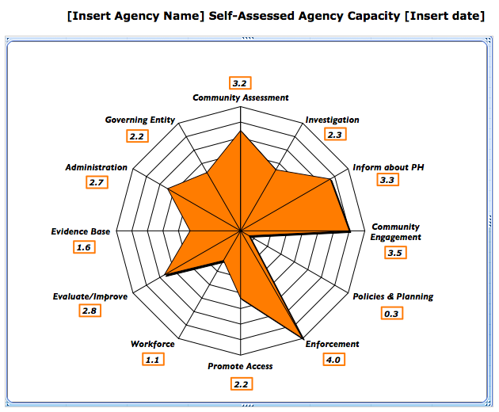

Your Radar Chart
Self-Assessed Agency Capacity Using PHAB Standards
Community Assessment | 3.0
Investigation | 2.4
Inform about PH | 2.8
Community Engagement | 3.8
Policies & Planning | 2.5
Enforcement | 2.5
Promote Access | 3.0
Workforce | 3.1
Evaluate/Improve | 2.0
Evidence Base | 2.8
Administration | 2.6
Governing Entity | 2.7

